1. Title Page
Instacart Grocery Basket Analysis

Project Name: Instacart Grocery Basket Analysis
Date: 1/30/25
Analyst Name: Jeff Jaques

Contents:
Population Flow
Consistency checks
Wrangling steps
Column derivations
Visualizations
Recommendations

Data Source:
"The Instacart Online Grocery Shopping Dataset 2017", Accessed from www.instacart.com/datasets/grocery-shopping-2017 via Kaggle on
https://www.kaggle.com/datasets/psparks/instacart-market-basket-analysis

The Customer data and the prices in the Products dataset, were facricated for the purpose of this project.

2. Population Flow
Population flow

Exclusion flag
Condition: max_order < 5
Obervations to be removed: 1,440,295
Final total count of order_products_all: 30,964,564

Orders_products_combined
Orders_products_merged
Orders_products_all

Total: 32,434,489
Total: 32,404,859
Total: 32,404,859

1.) The grey boxes in the first row of the population flow represent the original data sets as they were when you downloaded them. In the Total fields you need to add the count of the rows when you imported the data set into Jupyter.
2.) The second row of boxes (coloured) represents the data sets after you manipulated them, e.g., removed missing values and duplicates. In the Total fields you need to add the count of the rows after conducting these operations. This offers a visual oveview of how the data flows throughout the data consistency checks.
3.) The third row, where also the arrows are coloured, represents the merges you performed between the datasets. In the Total fields you need to add the count of the rows in the merged datasets, so that you end up with the final dataset (in the red box). Keep in mind the final dataset should be without exclusions (based on the exclusion flag).

3. Consistency checks
 |  |  |  | Title page
Consistency checks

Dataset | Missing values | Missing values treatment | Duplicates
orders | 206,209 missing values in 'days_since_prior_order' column | Missing values marked with 'first_order' flag. | No duplicates found
products | 16 missing values in 'product name' column | Removed rows with missing data. | 5 duplicates found and removed.
orders_products_prior | No missing values | No treatment required | No duplicates found
customers | No missing values | No treatment required | No duplicates found
customers_orders_products | Prices > $100, marked as missing | Changed values to Nan | No duplicates found

4. Wrangling steps
Wrangling steps

Data Set | Columns dropped | Columns renamed | Columns' type changed | Comment/Reason
customer |  | First Name -> first_name |  | To be consistent with merged data
 |  | Surnam -> last_name |  | To be consistent with merged data
 |  | Gender -> gender |  | To be consistent with merged data
 |  | STATE -> state |  | To be consistent with merged data
 |  | Age -> age |  | To be consistent with merged data
 |  | n_dependants -> number_of_dependants |  | Easier to understand
 |  | fam_status -> marital_status |  | Easier to understand
 |  |  | user_id' | Changed from int64 -> object
orders | 'eval_set' |  |  | Not needed for analysis
 |  | order_dow -> order_day_of_week |  | Easier to understand
 |  | order_hour_of_day -> order_time_of_day |  | Easier to understand
 |  |  | 'user_id' | Changed from int64 -> object
 |  |  | 'order_id' | Changed from int64 -> object
customers_orders_products | 'Unnamed: 0.1' |  |  | Not needed for analysis
 | 'Unnamed: 0_x' |  |  | Not needed for analysis
 | '_merge' |  |  | Not needed for analysis
 | 'Unnamed: 0_y' |  |  | Not needed for analysis
 | 'match' |  |  | Not needed for analysis
 |  |  | 'product_id' | Changed from int64 -> object
 |  |  | 'aisle_id' | Changed from int64 -> object
 |  |  | 'department_id | Changed from int64 -> object

5. Column derivations
 |  |  |  | Title page

Column derivations and aggregations

In this tab you should add tables below that the frequences of flags/label variables that you produced after deving them. NB: don't do this for continuous variables, only for flags.
Dataset | New column | Column/s it was derived from | Conditions
ords_prods_merge | price_range_loc | prices | prices <= 5 then 'Low-range product'
 |  |  | prices >5 & <=15 then 'Mid-range product'
 |  |  | prices >15 then 'High-range product'
 |  |  | all else = 'Not enough data'
ords_prods_merge | busiest_day | orders_day_of_week | if 0 then 'Busiest day'
 |  |  | if 4 then 'Least busy'
 |  |  | all else = 'Regularly busy'
ords_prods_merge | busiest_days | orders_day_of_week | if 0 or 1 then 'Busiest Days'
 |  |  | if 3 or 4 then 'Slowest Days'
 |  |  | all else = 'Regularly busy'
ords_prods_merge | busiest_period_of_day | order_time_of_day | if 9,10,11,12,13,14,15,16 then 'Most Orders'
 |  |  | if 0,1,2,3,4,5,6,23 then 'Fewest Orders'
 |  |  | all else = 'Average Orders'
ords_prods_merge | loyalty_flag | max_order | if > 40 then 'Loyal Customer'
 |  |  | if <=40 & >10 then 'Regular Customer'
 |  |  | if ,<=10 then 'New Customer'
ords_prods_merge | average_price | prices | average order price per customer
ords_prods_merge | spending_flag | average_price | if <10 then 'Low Spender'
 |  |  | if >=10 then 'High Spender'
ords_prods_merge | frequency_flag | days_since_prior_order | if >20 then 'Non-Frequent Customer'
 |  |  | if >10 & <=20 then 'Regular Customer'
 |  |  | if <=10 then 'Frequent Customer'
customers_orders_products | region | state | states sorted by U.S. Regions
 |  |  | https://simple.wikipedia.org/wiki/List_of_regions_of_the_United_States
customers_orders_products | income_group | income | if <=55000 then 'low income'
 |  |  | if >55000 & <=150000 then 'middle-income'
 |  |  | if > 150000 then 'high-income'
customers_orders_products | activity_flag | max_order | if <5 then 'Low-activity Customer'
 |  |  | if >=5 then 'High-activity Customer'
customers_orders_products | age_group | age | if <=25 then 'young adult'
 |  |  | if >25 & <40 then 'adult'
 |  |  | if >=40 & <=60 then 'middle-aged'
 |  |  | if >60 then 'senior'
customers_orders_products | dependants_flag | number_of_dependants | if =0 then 'No Dependants'
 |  |  | if >=1 then 'Yes Dependants'

Frequency Tables

6. Visualizations
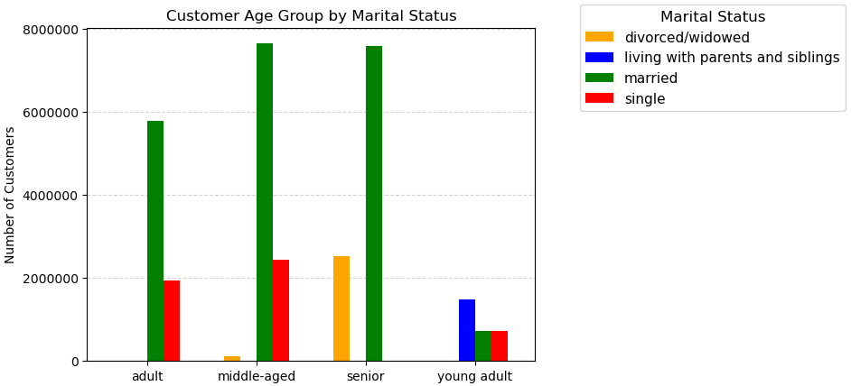
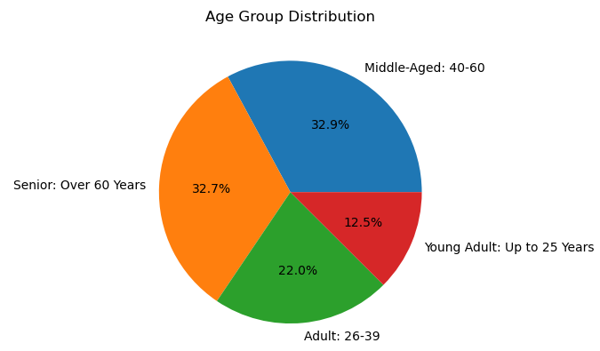
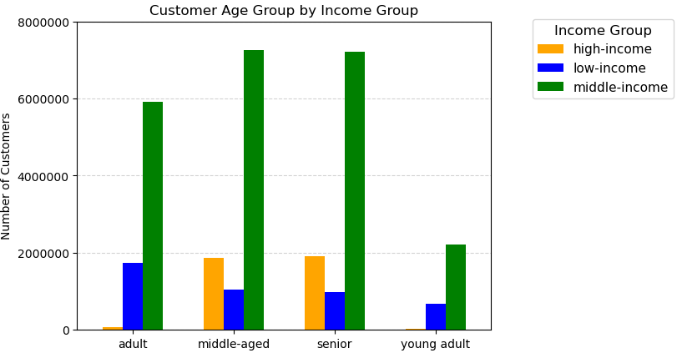
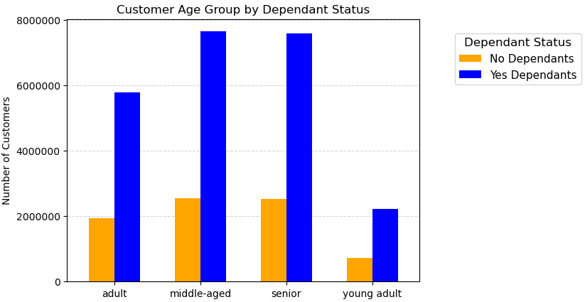
Visualizations

Key Question 1:
What are the busiest days of the week and during what hours of the day do most orders take place?

Answer:
The days of the week in which most orders take place are the weekends, Saturdays and Sundays.
Majority of orders placed are between the of 9am - 4pm. Orders begin to decrease from 5pm - 10pm with minimal orders placed from 11pm - 6am.
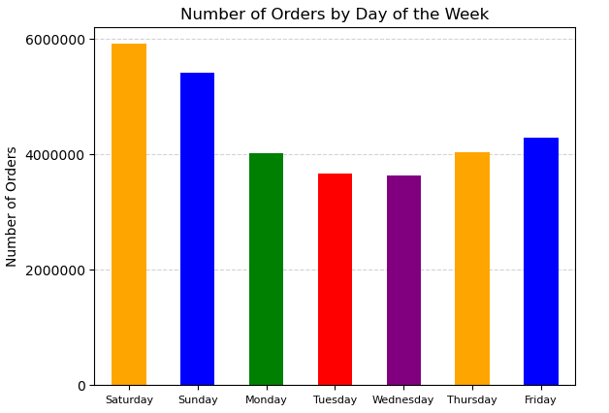
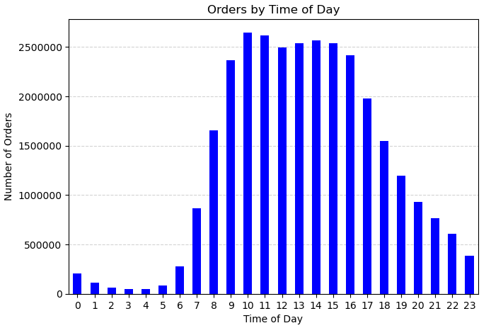

Key Question 2:
Are there particular times of day when people spend the most money?

Answer:
The times of day when customers spend the most money corresponds to the busiest times of day.

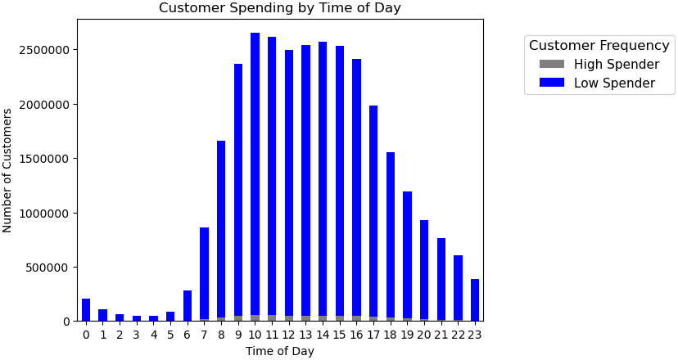

Key Question 3:
Are there certain products that are more popular than others?

Answer:
Below are the product departments by number of sales or ordered. To the right are the 10 ten product departments. Produce and eggs are the most popular items in terms of sales.

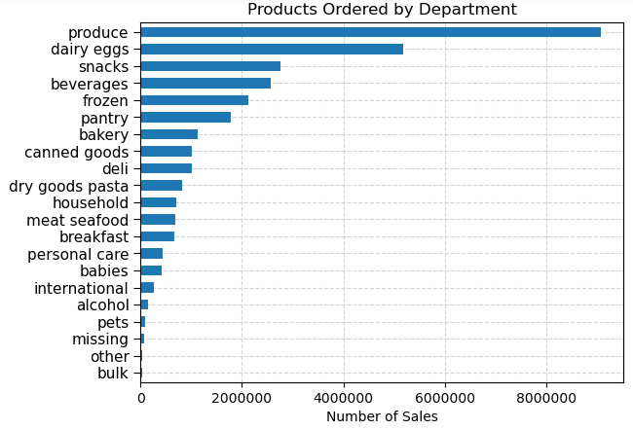
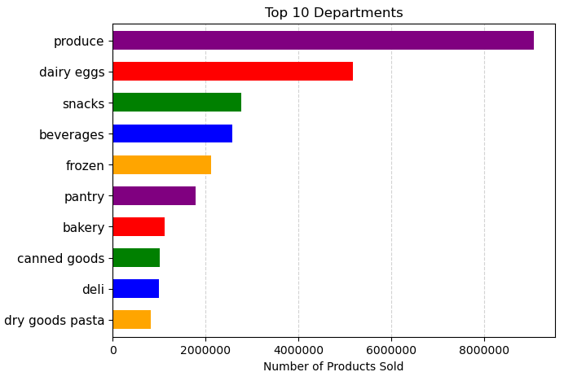

Key Question 4:
What is the distribution among users as to how often they return to Instacart?

Answer:
Most Loyal Customers, or those who have made over 40 orders, are made up of mostly adults middle-aged and seniors. They also tend to be of middle-income status.
Regular Customers and New Customers also fit this trend of being mostly middle-income and middle-aged/senior.
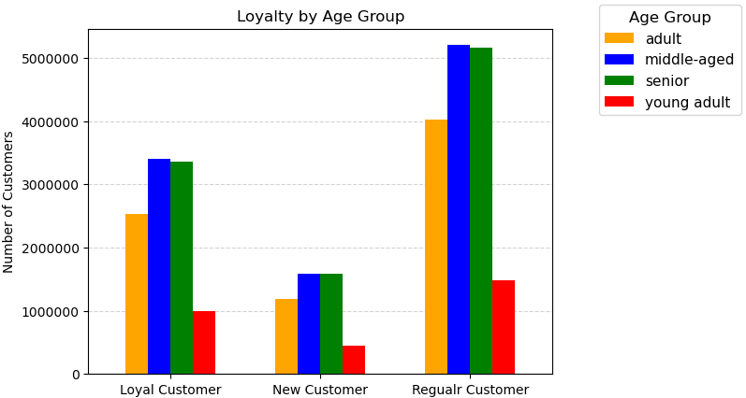
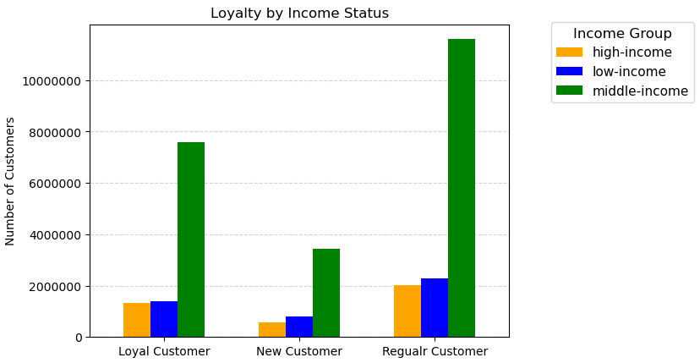

Key Question 5:
Are there differences in ordering habits based on loyalty status?

Answer:
Majority of customer spending despite, loyalty status, are overwhelmingly Low Spenders.
Both loyal and regular customers tend to also be the most frequent when it comes to placing orders.

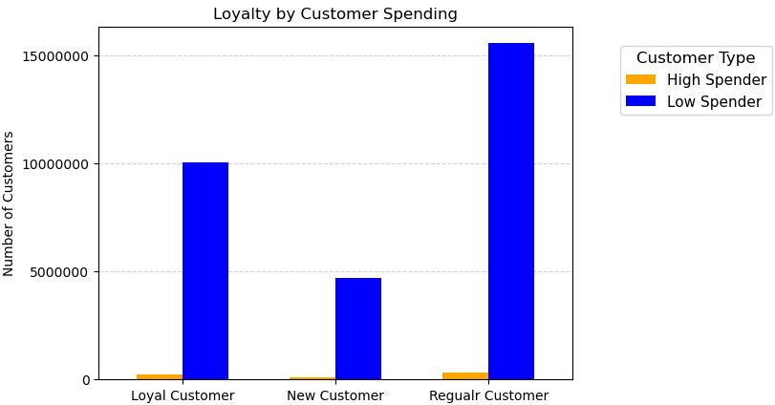
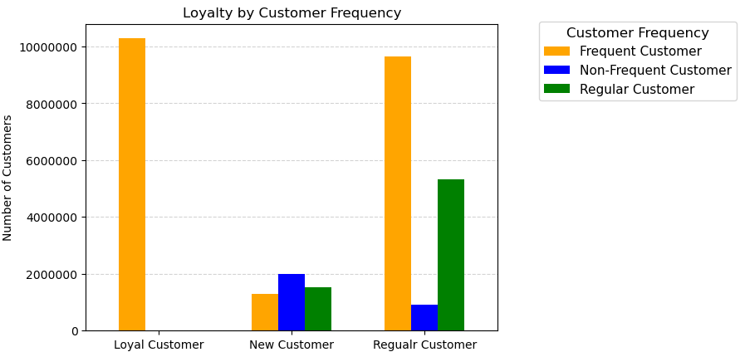

Key Question 6:
Are there differences in ordering habits based on region?

Answer:
The South and West regions currently make up not only the majority of total customers, but also contain the most loyal and regular customers of any other regions.
The Midwest region is almost tied for 2nd among total customers next to the West region.
All regions fit the trend of most orders from the product and dairy eggs departments, with the South overwhelmingly higher in produce sales.
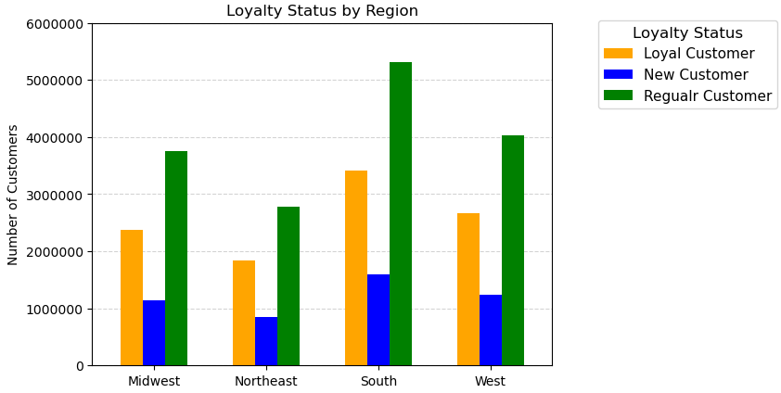
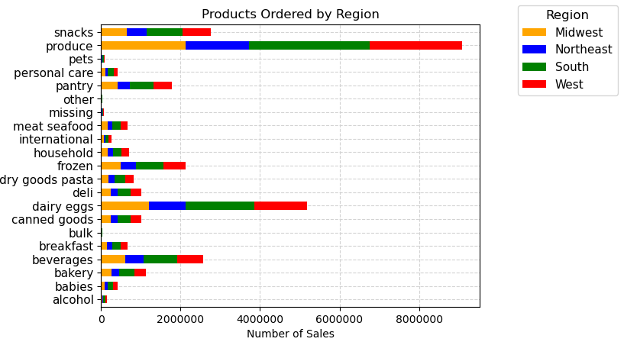
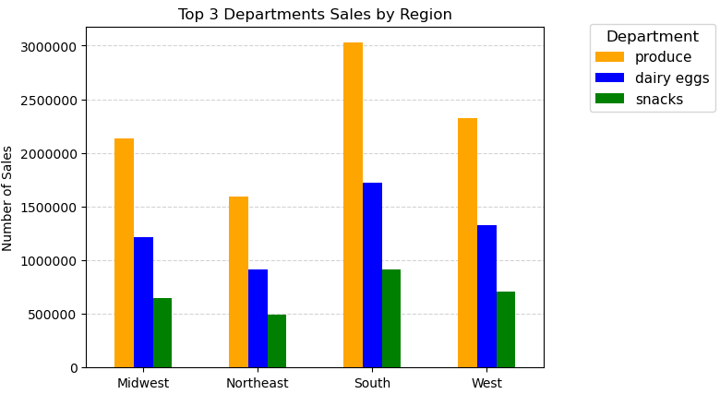

Key Question 7:
Is there a connection between age and family status and ordering habits?

Answer:
The below visuals show the correlation between how much customers spend and how often they use Instacart by our customers age, marital status, and whether or not they have dependents.
Customers that shop most frequent tend to be seniors and adults between the ages 26 and 60 that are married and have dependents.

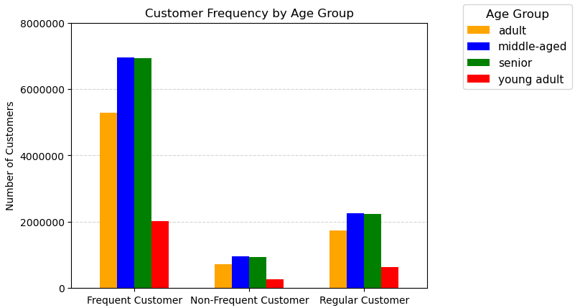
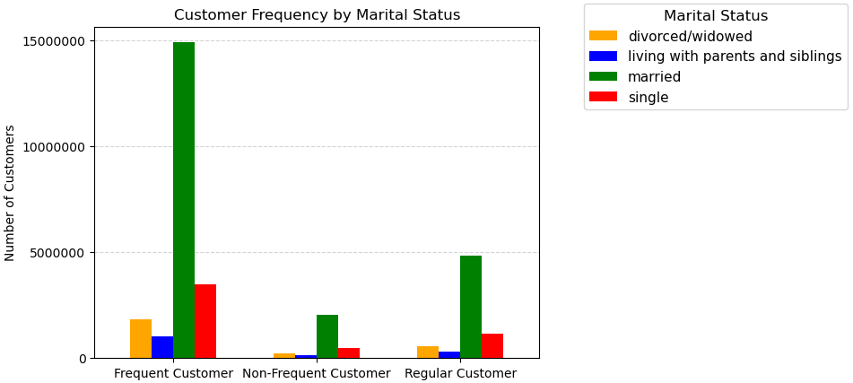
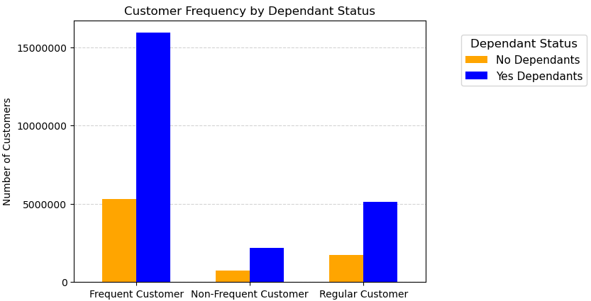

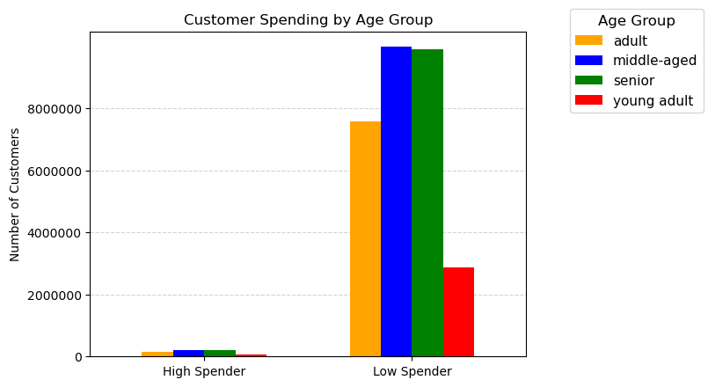
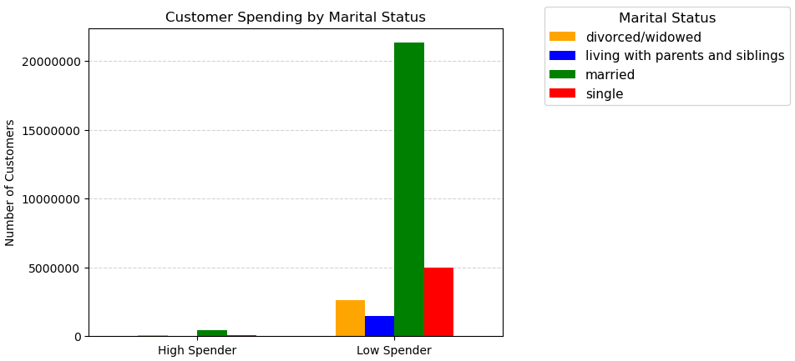
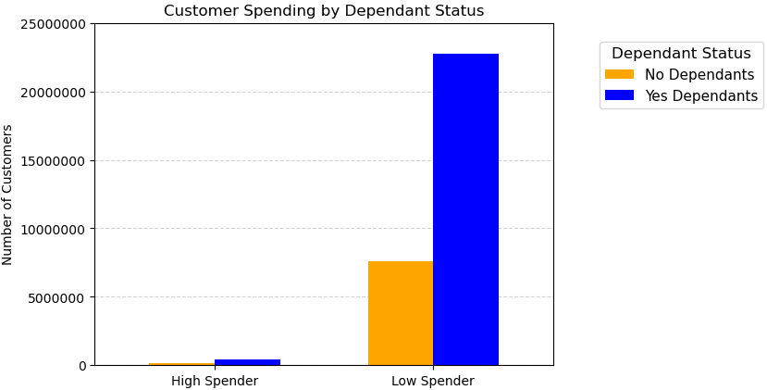

Key Question 8:
What different classifications does the demographic information suggest?

Answer:
The visuals below show majority of Instacart customers are adults that are married, have dependents in the home, and are middle income.
Based on this information seniors and working adults with families use Instacart the most.

7. Recommendations
Recommendations

Key Questions | Answers | Recommendations
What are the busiest days of the week and hours of the day. | The days of the week in which most orders take place are the weekends, Saturdays and Sundays. Majority of orders placed are between the of 9am - 4pm. Orders begin to decrease from 5pm - 10pm with minimal orders placed from 11pm - 6am. | To increase orders during the weekdays where the least number of orders occur, weekday promotions such as zero delivery fee and special offers might be explored.

Are there particular times of the day when people spend the most money? | The times of day when customers spend the most money corresponds to the busiest times of day. However, customers overwhelmingly are low spenders even during peak hours. | To increase spending it is recommended to offer deals such as buy one get half off another item, or buy 2 get a 3rd item free or discounted. The goal being to increase the amount of items purchased per order.

Are there certain products that are more popular than others? | Produce and eggs are the most popular items in terms of sales, with snacks and beverages behind them. | Focus should be increase orders for products in other departments. We know customers shop for product and eggs, therefore items that are related to those groups might encourage additional items to be placed on the orders. For example: perhaps a recommended recipe for a particular produce that would require additional items to be purchased in order to make and have those items packaged together as part of a deal.

What is the distribution among users as to how often they return to Instacart? | Most Loyal Customers, or those who have made over 40 orders, are made up of mostly adults middle-aged and seniors. They also tend to be of middle-income status. Regular Customers and New Customers also fit this trend of being mostly middle-income and middle-aged/senior. | Young adults are make up the least amount of customers. It is recommended to how advertising can focus on this age group.

Are there differences in ordering habits based on loyalty status? | Besides the amount of orders, there is no correlation between loyalty status and spending. Most customers are considered low spenders. Loyal customers just tend to place more orders. | Because most customers are considered low spenders with middle-incomes, the focus should be again to increase the number of items per order through promotions and discounts for items that have a relationship. For example: avocados and tortilla chips.

Are there differences in ordering habits based on region? | The South and West regions currently make up not only the majority of total customers, but also contain the most loyal and regular customers of any other regions. The Midwest region is almost tied for 2nd among total customers next to the West region. All regions fit the trend of most orders from the product and dairy eggs departments, with the South overwhelmingly higher in produce sales. | Advertising should be focused on the Northeast region where the amount of orders is the least among all four regions.

Is there a connection between age and family status and ordering habits? | Customers that shop most frequent tend to be seniors and adults between the ages 26 and 60 that are married and have dependents. | Because most customers are seniors and working adults with families, advertising based around the convenience of Instacart should be looked into. "Dinner Deals" or products grouped together at a discount with a recipe card can be useful for working families needing ideas for dinner.

What different classifications does the demographic information suggest? | The majority of Instacart customers are adults that are married, have dependents in the home, and are middle income. Based on this information seniors and working adults with families use Instacart the most. | Most customers that use Instacart appear to be families and seniors, both for the convenience of the service. Working families tend to lead busy lives and seniors get to a point where they do not leave their house as often. How the Instacart service can help reduce stress and add convenience should be advertised and promoted.

